3.7
a) The activities are the production quantities of parts A, B, and C. The limited resources are the hours available on machine 1 and machine 2.
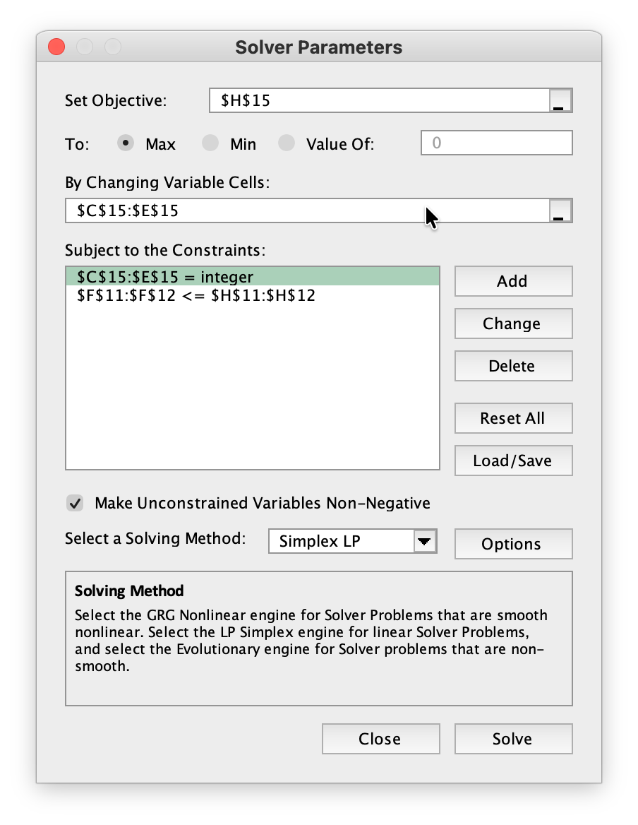

b, d)
 |  | Part A | Part B | Part C
 | Unit Profit | $50 | $40 | $30
 |  |  |  |  | Hours |  | Hours
 |  |  | Processing Time (hours per unit) |  | Used |  | Available
 | Machine 1 | 0.02 | 0.03 | 0.05 | 39.98 | <= | 40
 | Machine 2 | 0.05 | 0.02 | 0.04 | 40 | <= | 40

 |  | Part A | Part B | Part C |  |  | Total Profit
 | Production | 364.000 | 1090.000 | 0.000 |  |  | $61,800.00
c) Below are three possible guesses (many answers are possible).
(x₁, x₂, x₃) = (500,500,300), Not feasible
(x₁, x₂, x₃) = (350,1000,0), Feasible, P = $57,500
(x₁, x₂, x₃) = (400,1000,0), Feasible, P = $60,000
e) Let
A = number of part A produced B = number of part B produced C = number of part C produced
Maximize Profit = $50A + $40B + $30C
Subject to:
0.02A + 0.03B + 0.05C ≤ 40 hours 0.05A + 0.02B + 0.04C ≤ 40 hours A ≥ 0, B ≥ 0, C ≥ 0

3.11
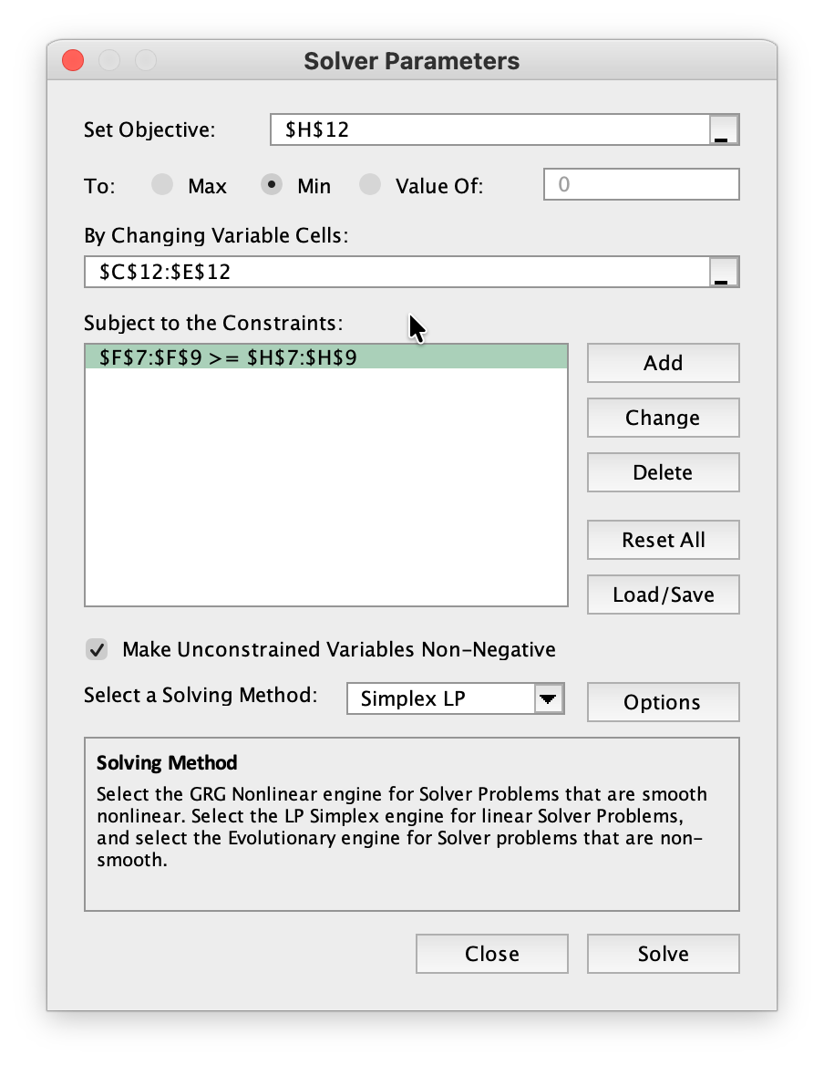
a, d)
 |  | Corn | Tankage | Alfalfa
 | Unit Cost | $0.84 | $0.72 | $0.60
 | (per kg) |  |  |  |  |  | Minimum
 |  |  |  |  | Level |  | Daily
 |  |  | Nutritional Contents (per kg) |  | Achieved |  | Requirement
 | Carbohydrates | 90 | 20 | 40 | 200 | >= | 200
 | Protein | 30 | 80 | 60 | 180 | >= | 180
 | Vitamins | 10 | 20 | 60 | 157.14285714 | >= | 150

 |  | Corn | Tankage | Alfalfa |  |  | Total Cost
 | Diet (kg) | 1.143 | 0.000 | 2.429 |  |  | $2.42

b) (x₁, x₂, x₃) = (1,2,2) is a feasible solution
with a daily cost of $3.48.
This diet will provide
210 kg of carbohydrates
310 kg of protein
170 kg of vitamins daily.
c) Answers will vary.
e) Let
C = kg of corn to feed each pig T = kg of tankage to feed each pig A = kg of alfalfa to feed each pig
Minimize Cost = $0.84C + $0.72T + $0.60A
Subject to:
90C + 20T + 40A ≥ 200 30C + 80T + 40A ≥ 180 10C + 20T + 60A ≥ 150 C ≥ 0, T ≥ 0, A ≥ 0.

3.12
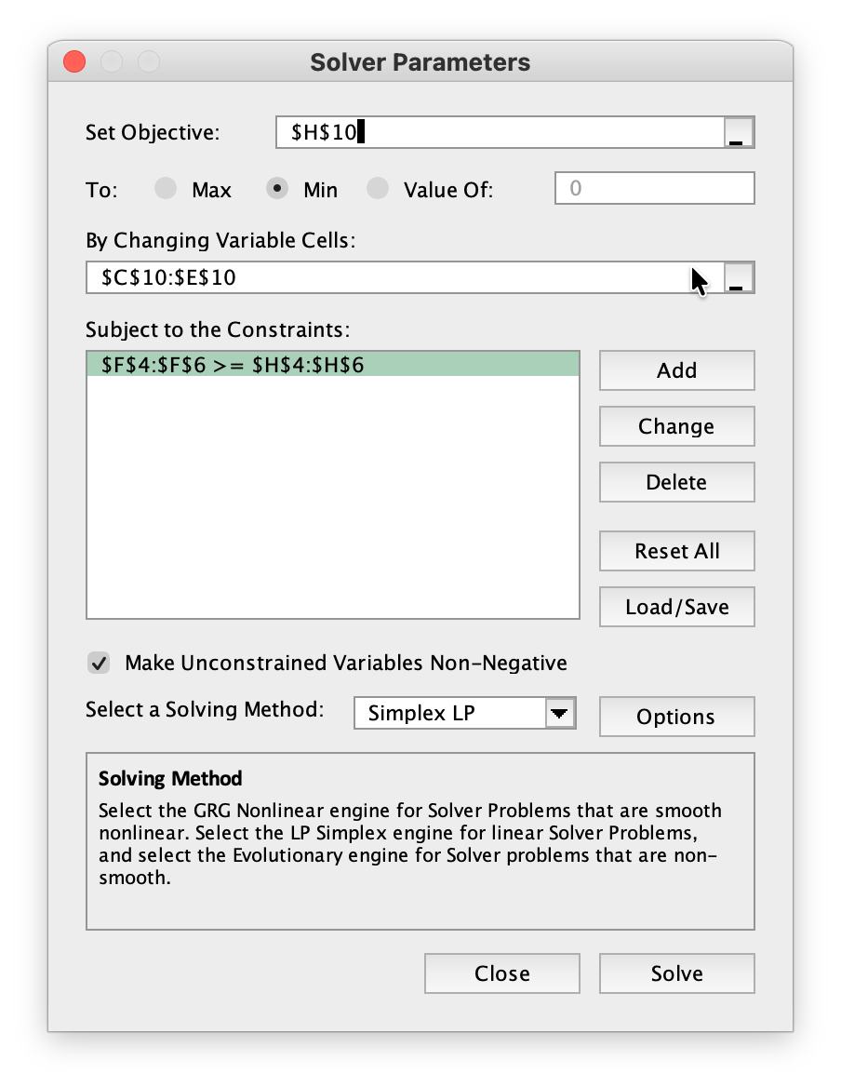
a, d)
 |  |  | Income per Unit of Asset ($million) |  | Cash Flow |  | Minimum
 |  | Asset 1 | Asset 2 | Asset 3 | Achieved |  | Required
 | Year 5 | 8 | 4 | 2 | 1600 | >= | 1600
 | Year 10 | 2 | 2 | 4 | 600 | >= | 400
 | Year 20 | 0 | 6 | 8 | 1200 | >= | 1200

 |  |  |  |  |  |  | Total Cost
 |  | Asset 1 | Asset 2 | Asset 3 |  |  | ($million)
 | Units Purchased | 100 | 200 | 0 |  |  | 300
c) (x₁, x₂, x₃) = (100,100,200) is a feasible solution.
This would generate
$1.6 billion in 5 years
$1.2 billion in 10 years
$2.2 billion in 20 years
The total invested will be $400 million.
e) Let
x₁ = units of Asset 1 purchased x₂ = units of Asset 2 purchased x₃ = units of Asset 3 purchased
Minimize Cost = x₁ + x₂ + x₃ ($millions)
Subject to:
8x₁ + 4x₂ + 2x₃ ≥ 1600 ($millions) 2x₁ + 2x₂ + 4x₃ ≥ 400 ($millions) 6x₂ + 8x₃ ≥ 1200 ($millions) x₁ ≥ 0, x₂ ≥ 0, x₃ ≥ 0

3.18
a) Requirement 1: The total amount shipped from Mine 1 must be 40 tons. Requirement 2: The total amount shipped from Mine 2 must be 60 tons. Requirement 3: The total amount shipped to the Plant must be 100 tons. Requirement 4: For Storage 1, the amount shipped out = the amount in. Requirement 5: For Storage 2, the amount shipped out = the amount in.
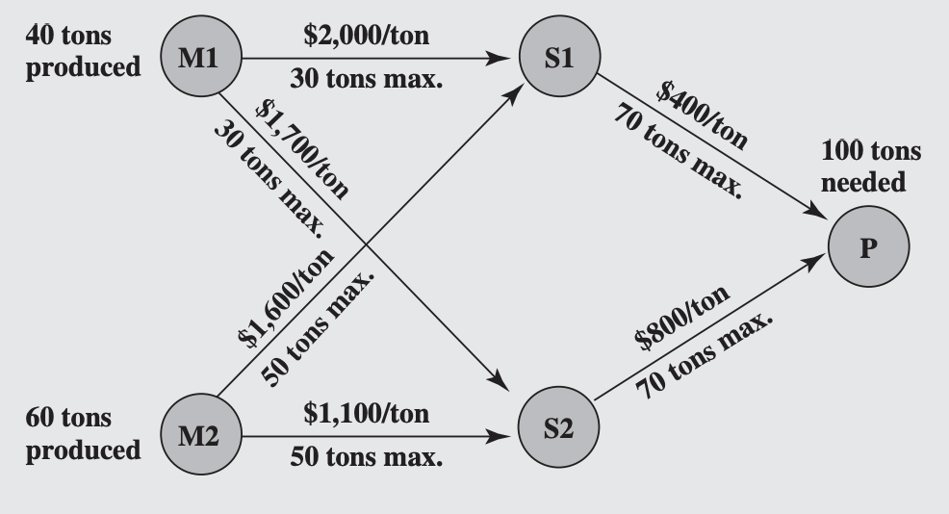

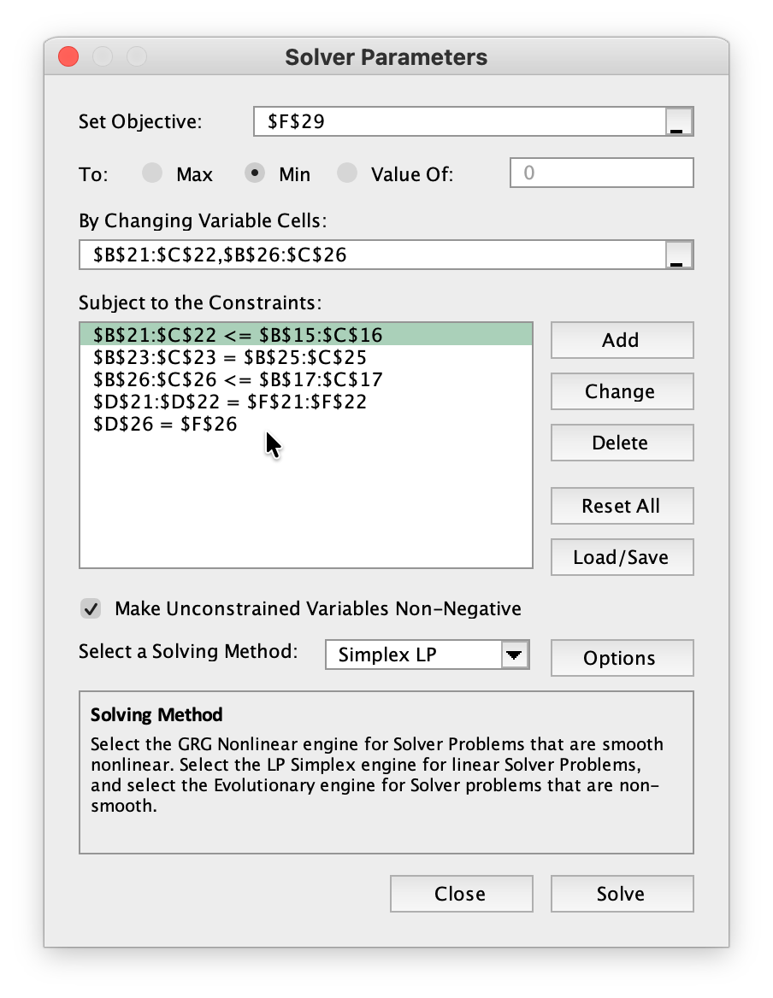
1. Mine-to-storage shipments cannot exceed route capacities.
2. For each storage facility, units in must equal units out.
3. Storage-to-plant shipments cannot exceed route capacities.
4. Each mine must ship exactly its available output.
5. The plant must receive exactly its required demand.
b)
Shipping Cost | S1 | S2
M1 | $2,000 | $1,700
M2 | $1,600 | $1,100
P | $400 | $800

Shipping Capacity | S1 | S2
M1 | 30 | 30
M2 | 50 | 50
P | 70 | 70

 |  |  | Total Shipped
Units Shipped | S1 | S2 | Out of M1,M2 |  | Output
M1 | 30 | 10 | 40 | = | 40
M2 | 10 | 50 | 60 | = | 60
Total Into S1,S2 | 40 | 60
 | = | = | Total Shipped
Total Out of S1,S2 | 40 | 60 | Into P |  | Needed
P | 40 | 60 | 100 | = | 100

 |  |  |  |  | Total Cost
 | Units Shipped | <= | Capacity |  | $212,000

c) Let x_{M1S1} = number of units shipped from Mine 1 to Storage 1 x_{M1S2} = number of units shipped from Mine 1 to Storage 2 x_{M2S1} = number of units shipped from Mine 2 to Storage 1 x_{M2S2} = number of units shipped from Mine 2 to Storage 2 x_{S1P} = number of units shipped from Storage 1 to the Plant x_{S2P} = number of units shipped from Storage 2 to the Plant
Minimize Cost = $2,000 x_{M1S1} + $1,700 x_{M1S2}
+ $1,600 x_{M2S1} + $1,100 x_{M2S2}
+ $ 400 x_{S1P} + $ 800 x_{S2P} Subject to:
x_{M1S1} + x_{M1S2} = 40 x_{M2S1} + x_{M2S2} = 60 x_{M1S1} + x_{M2S1} = x_{S1P} x_{M1S2} + x_{M2S2} = x_{S2P} x_{S1P} + x_{S2P} = 100 x_{M1S1} ≤ 30, x_{M1S2} ≤ 30
x_{M2S1} ≤ 50, x_{M2S2} ≤ 50
x_{S1P} ≤ 70, x_{S2P} ≤ 70 and
x_{M1S1} ≥ 0, x_{M1S2} ≥ 0
x_{M2S1} ≥ 0, x_{M2S2} ≥ 0
x_{S1P} ≥ 0, x_{S2P} ≥ 0.

3.24
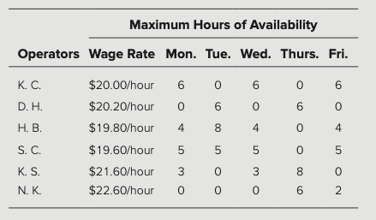
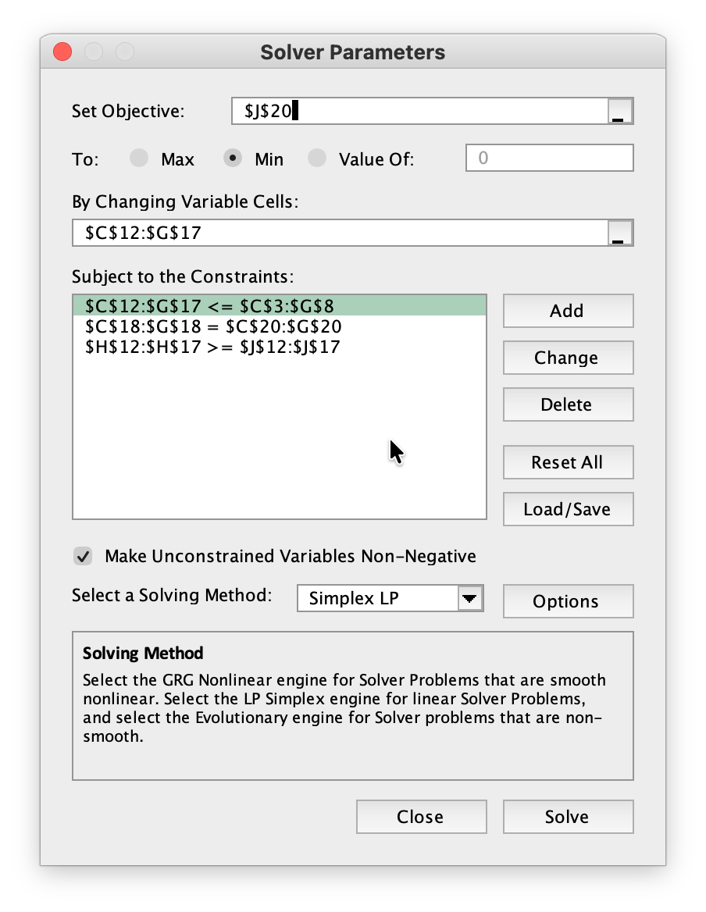
1. Assigned hours cannot exceed each operator’s daily availability.
2. Total assigned hours each day must equal the 14 hours the center is open.
3. Each operator must receive at least their guaranteed minimum weekly hours.
 |  |  |  | Hours Available
 | Wage Rate | Monday | Tuesday | Wednesday | Thursday | Friday
K.C. | $20.00 | 6 | 0 | 6 | 0 | 6
D.H. | $20.20 | 0 | 6 | 0 | 6 | 0
H.B. | $19.80 | 4 | 8 | 4 | 0 | 4
S.C. | $19.60 | 5 | 5 | 5 | 0 | 5
K.S. | $21.60 | 3 | 0 | 3 | 8 | 0
N.K. | $22.60 | 0 | 0 | 0 | 6 | 2

 |  |  |  |  |  |  | Hours |  | Guaranteed
 | Hours Worked | Monday | Tuesday | Wednesday | Thursday | Friday | Worked |  | Weekly Hours
 | K.C. | 3 | 0 | 2 | 0 | 4 | 9 | >= | 8
 | D.H. | 0 | 2 | 0 | 6 | 0 | 8 | >= | 8
 | H.B. | 4 | 7 | 4 | 0 | 4 | 19 | >= | 8
 | S.C. | 5 | 5 | 5 | 0 | 5 | 20 | >= | 8
 | K.S. | 2 | 0 | 3 | 2 | 0 | 7 | >= | 7
 | N.K. | 0 | 0 | 0 | 6 | 1 | 7 | >= | 7
 | Hours Worked | 14 | 14 | 14 | 14 | 14
 |  | = | = | = | = | = |  |  | Total Cost
 | Hours Needed | 14 | 14 | 14 | 14 | 14 |  |  | $1,419

 |  |  | Hours Worked | <= | Hours Available

Let i_j = number of hours operator i works on day j
where i = KC, DH, HB, SC, KS, NK
and j = M, T, W, Th, F
Objective: minimize total labor cost
Min Z = 20.00(KC_M + KC_T + KC_W + KC_Th + KC_F)
+ 20.20(DH_M + DH_T + DH_W + DH_Th + DH_F)
+ 19.80(HB_M + HB_T + HB_W + HB_Th + HB_F)
+ 19.60(SC_M + SC_T + SC_W + SC_Th + SC_F)
+ 21.60(KS_M + KS_T + KS_W + KS_Th + KS_F)
+ 22.60(NK_M + NK_T + NK_W + NK_Th + NK_F)
Daily coverage constraints:
KC_M + DH_M + HB_M + SC_M + KS_M + NK_M = 14
KC_T + DH_T + HB_T + SC_T + KS_T + NK_T = 14
KC_W + DH_W + HB_W + SC_W + KS_W + NK_W = 14
KC_Th + DH_Th + HB_Th + SC_Th + KS_Th + NK_Th = 14
KC_F + DH_F + HB_F + SC_F + KS_F + NK_F = 14
Minimum weekly hours:
KC_M + KC_T + KC_W + KC_Th + KC_F ≥ 8
DH_M + DH_T + DH_W + DH_Th + DH_F ≥ 8
HB_M + HB_T + HB_W + HB_Th + HB_F ≥ 8
SC_M + SC_T + SC_W + SC_Th + SC_F ≥ 8
KS_M + KS_T + KS_W + KS_Th + KS_F ≥ 7
NK_M + NK_T + NK_W + NK_Th + NK_F ≥ 7
Availability constraints:
KC_M ≤ 6, KC_T ≤ 0, KC_W ≤ 6, KC_Th ≤ 0, KC_F ≤ 6
DH_M ≤ 0, DH_T ≤ 6, DH_W ≤ 0, DH_Th ≤ 6, DH_F ≤ 0
HB_M ≤ 4, HB_T ≤ 8, HB_W ≤ 4, HB_Th ≤ 0, HB_F ≤ 4
SC_M ≤ 5, SC_T ≤ 5, SC_W ≤ 5, SC_Th ≤ 0, SC_F ≤ 5
KS_M ≤ 3, KS_T ≤ 0, KS_W ≤ 3, KS_Th ≤ 8, KS_F ≤ 0
NK_M ≤ 0, NK_T ≤ 0, NK_W ≤ 0, NK_Th ≤ 6, NK_F ≤ 2
Nonnegativity:
i_j ≥ 0 for all operators and all days.

